Histogram
Sales - 2022
Publisher | YTD Sales | 20971
Wii Sports | 40305 | 79587
Super Mario Bros. | 69573
Mario Kart Wii | 20971
Wii Sports Resort | 68498
Pokemon Red | 26401
Tetris | 22525
Pokemon Blue | 73199
Wii Play | 69934
Rebellion | 58976
Duck Hunt | 75806
Nintendogs | 33018
Mario Kart DS | 23304
Pokemon Gold | 53835
Wii Fit | 68313
Wii Fit Plus | 41357
Kinect Adventures! | 26443
Grand Theft Auto V | 65325
Grand Theft Auto | 51091
Super Mario World | 48143
Brain Age | 76213
Pokemon Silver | 79587

Area Chart
 | Sales - 2022
Publisher | Qtr1 | Qtr2 | Qtr3 | Qtr4
Wii Sports | 40305 | 67484 | 50056 | 75671
Super Mario Bros. | 69573 | 69407 | 57397 | 28812
Mario Kart Wii | 20971 | 68330 | 27650 | 31130
Wii Sports Resort | 68498 | 30649 | 78338 | 69697
Pokemon Red | 26401 | 23800 | 55047 | 74656
Tetris | 22525 | 65931 | 60753 | 56138
Pokemon Blue | 73199 | 47162 | 41992 | 48959
Wii Play | 69934 | 54164 | 55924 | 77582
Rebellion | 58976 | 74362 | 63382 | 47230
Duck Hunt | 75806 | 47467 | 20330 | 65647
Nintendogs | 33018 | 24114 | 42351 | 29518
Mario Kart DS | 23304 | 43183 | 25160 | 59011
Pokemon Gold | 53835 | 47589 | 45532 | 61745
Wii Fit | 68313 | 36211 | 49578 | 37756
Wii Fit Plus | 41357 | 29970 | 23409 | 56023
Kinect Adventures! | 26443 | 20805 | 42157 | 40685
Grand Theft Auto V | 65325 | 59137 | 72521 | 26005
Grand Theft Auto | 51091 | 74125 | 59968 | 55047
Super Mario World | 48143 | 35767 | 59798 | 33052
Brain Age | 76213 | 79791 | 38017 | 58559
Pokemon Silver | 79587 | 32114 | 53385 | 24065

Pie Chart
 | Sales - 2022
Publisher | Qtr1 | Qtr2 | Qtr3 | Qtr4 | YTD
Wii Sports | 40305 | 67484 | 50056 | 75671 | 233516
Super Mario Bros. | 69573 | 69407 | 57397 | 28812 | 225189
Mario Kart Wii | 20971 | 68330 | 27650 | 31130 | 148081
Wii Sports Resort | 68498 | 30649 | 78338 | 69697 | 247182
Pokemon Red | 26401 | 23800 | 55047 | 74656 | 179904
Total | 225748 | 259670 | 268488 | 279966 | 1033872

Publisher | Qtr1 | Qtr2 | Qtr3 | Qtr4
Wii Sports | 5000 | 5000 | 50056 | 75671

135727 | 4% | 4% | 37% | 56%

Doughnut Chart
 | Sales - 2022
Publisher | Qtr1 | Qtr2 | Qtr3 | Qtr4
Wii Sports | 40305 | 67484 | 50056 | 75671
Super Mario Bros. | 69573 | 69407 | 57397 | 28812
Mario Kart Wii | 20971 | 68330 | 27650 | 31130
Wii Sports Resort | 68498 | 30649 | 78338 | 69697
Pokemon Red | 26401 | 23800 | 55047 | 74656
Total | 225748 | 259670 | 268488 | 279966

HomeWork
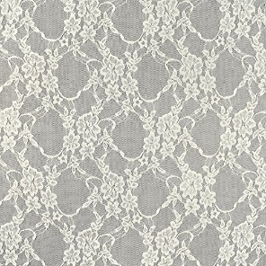

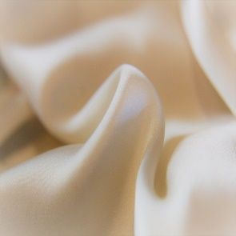
Assignment 1 |  | Create the Histogram as shown
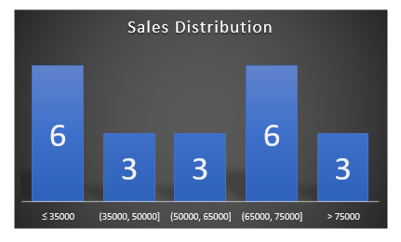
Sales - 2022
Publisher | YTD Sales
Wii Sports | 40305
Super Mario Bros. | 69573
Mario Kart Wii | 20971
Wii Sports Resort | 68498
Pokemon Red | 26401
Tetris | 22525
Pokemon Blue | 73199
Wii Play | 69934
Rebellion | 58976
Duck Hunt | 75806
Nintendogs | 33018
Mario Kart DS | 23304
Pokemon Gold | 53835
Wii Fit | 68313
Wii Fit Plus | 41357
Kinect Adventures! | 26443
Grand Theft Auto V | 65325
Grand Theft Auto | 51091
Super Mario World | 48143
Brain Age | 76213
Pokemon Silver | 79587

Assignment 2 |  |  | Create Pie on Pie as shown. Show sales below 50000 in secondary pie
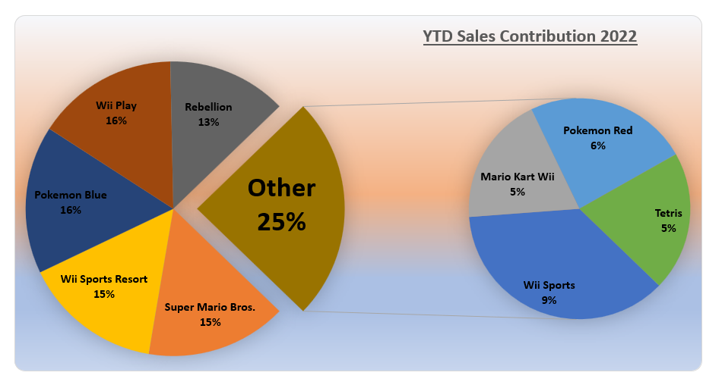
YTD Sales Contribution 2022
Publisher | YTD Sales
Wii Sports | 40305
Super Mario Bros. | 69573
Mario Kart Wii | 20971
Wii Sports Resort | 68498
Pokemon Red | 26401
Tetris | 22525
Pokemon Blue | 73199
Wii Play | 69934
Rebellion | 58976

Assignment 3 |  |  | Create the same Pie on Pie as shown above but values should be sorted as shown below. Use RANK.EQ, INDEX and MATCH functions

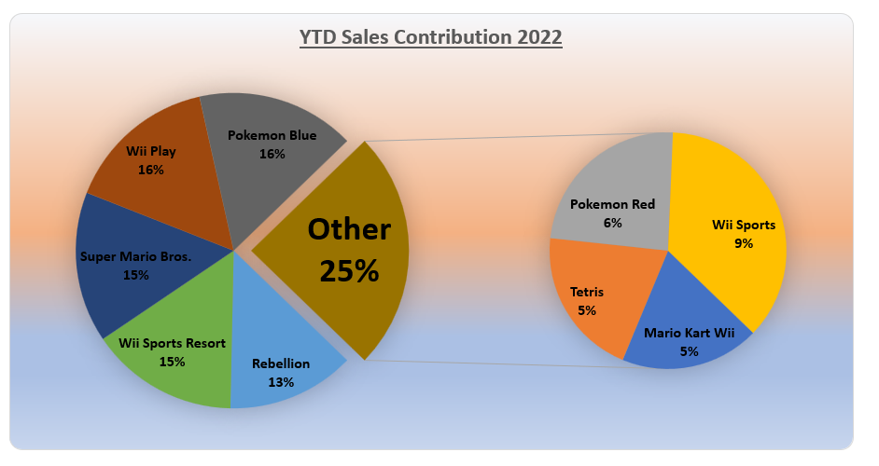
YTD Sales Contribution 2022
Publisher | YTD Sales
Wii Sports | 40305
Super Mario Bros. | 69573
Mario Kart Wii | 20971
Wii Sports Resort | 68498
Pokemon Red | 26401
Tetris | 22525
Pokemon Blue | 73199
Wii Play | 69934
Rebellion | 58976

Assignment 4

Sales Contribution 2022 |  |  | Create a doughnut chart for this garments manufacturer as shown below. Use the images on the right side. Highlight sales less than 10% by dragging the slice out
Fabric | YTD Sales
Chiffon | 40305
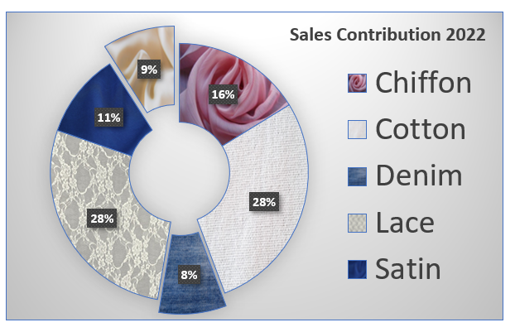
Cotton | 69573
Denim | 20971 |  |  | Chiffon | Cotton | Denim



Lace | 68498
Satin | 26401
Silk | 22525

 |  |  |  | Lace | Satin | Silk

